ART
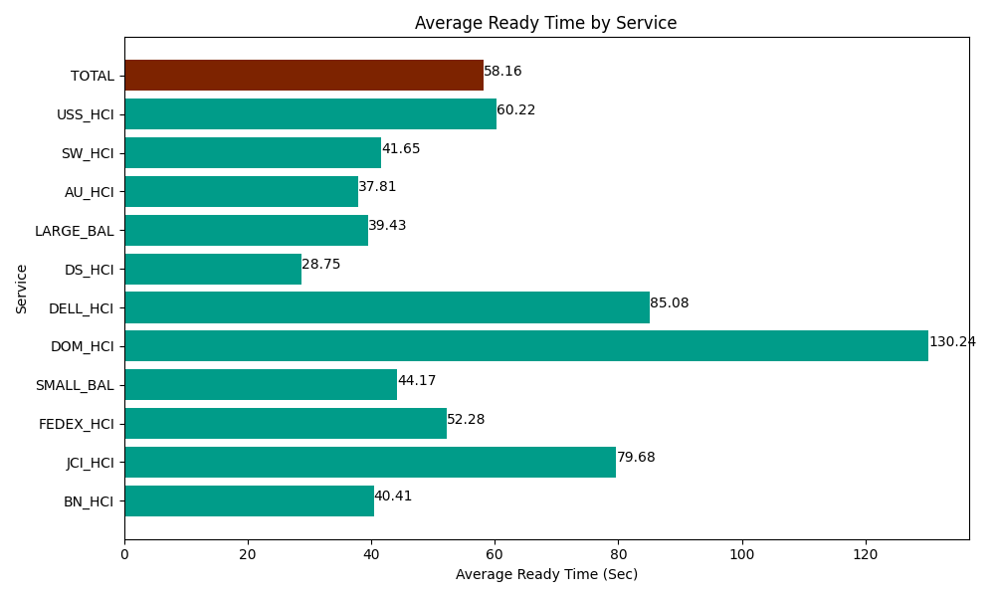
Date | Service | Successful Op Transfer | In Call (Sec) | Ready (Sec) | Wrapup (Sec) | Not Ready (Sec) | Average Ready Time (Sec)
04-08-2024 | BN_HCI | 749 | 50645.998535 | 30263.999634 | 111401.99707 | 56919.001465 | 40.41
04-08-2024 | JCI_HCI | 248 | 26011.199341 | 19761.000366 | 33325.198975 | 5565 | 79.68
04-08-2024 | FEDEX_HCI | 120 | 9503.9996338 | 6273.0001831 | 11596.200256 | 14455.19989 | 52.28
04-08-2024 | SMALL_BAL | 405 | 28142.999268 | 17890.799561 | 54292.199707 | 51484.801025 | 44.17
04-08-2024 | DOM_HCI | 42 | 2704.8001099 | 5470.1998901 | 3931.1997986 | 169.19999599 | 130.24
04-08-2024 | DELL_HCI | 115 | 8662.800293 | 9784.2004395 | 25922.999268 | 17586.000366 | 85.08
04-08-2024 | DS_HCI | 775 | 44300.998535 | 22279.200439 | 71959.196777 | 64653.00293 | 28.75
04-08-2024 | LARGE_BAL | 7 | 448.80000114 | 275.99999428 | 316.80001259 | 49.799998999 | 39.43
04-08-2024 | AU_HCI | 341 | 31632.000732 | 12893.999634 | 42562.199707 | 36514.200439 | 37.81
04-08-2024 | SW_HCI | 194 | 7021.7999268 | 8080.1998901 | 13211.999817 | 16609.200439 | 41.65
04-08-2024 | USS_HCI | 183 | 27977.999268 | 11020.799561 | 20050.799561 | 6931.1997986 | 60.22
 | TOTAL | 3179 | 237053.39564 | 143993.39959 | 388570.79095 | 270936.60635 | 58.16

